WebHostingNetworkStandard
Web Hosting Standard:
The model used to provide a secure web hosting facility is a three tier architecture. This model offers separate presentation, application and data layers. The graphic below depicts the standard service communications trust model.
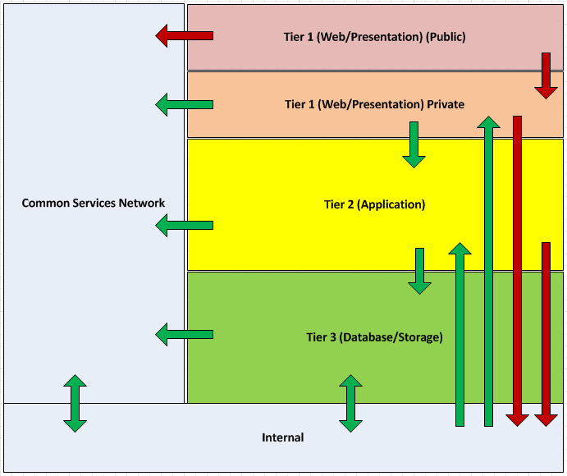

This model segregates each tier, using firewalls to separate each layer. Communications originating in a less trusted tier may only access the next tier down. Similarly, segregation is maintained by only allowing communication from more trusted to less trusted tiers to occur one tier at a time. The combination of segregation and firewall restrictions between layers provides an increasing level of trust in lower layers.
Tier 1 (Presentation/Web Layer)
Tier 1 provides direct access to the web hosting environment from the Internet through a border router and firewall. Tier 1 provides the user interface that presents information to, and collects information from, the user. The web servers in Tier 1 will deliver static content to users, but have no further functionality that could be used to gain unauthorized access to the firm’s confidential data.
1. All connections from the Internet should terminate in Tier 1.
2. Connections from Tier 2 should terminate in Tier 1.
3. Direct connections from Tier 2 to the Internet are prohibited. These connections should employ a Tier 1 proxy.
4. Firewall rules will only permit connections between Tier 1 and the Internet through TCP ports 80 and 443. Tier 1 firewall rules may allow connection through TCP port 4430 (SSL from the boundary router).
5. Intrusion detection services shall be provided between the Internet-facing firewall and Tier 1.

Tier 2 (Application Layer)
Tier 2 contains the application servers that receive requests from Tier 1 and data from Tier 3. The application servers provide the business logic needed to request data from Tier 3 based on information received from Tier 1. Tier 3 is never accessed directly from Tier 1. This segregation shields Web application users from the complexity business logic associated with their requests, and provides a layer of security.
1. All internal connections from Tier 1 should terminate in Tier 2.
2. Connections from Tier 2 should terminate in Tier 1 or Tier 3.
3. Direct connections between Tier 2 and the Corporate Network require a formal Security Risk Assessment and the establishment of mitigating security controls that establish a level of risk equivalent to the connection terminating in Tier 3.
4. Firewall rules will limit connections between Tier 1 and Tier 2 to required application ports.
5. Intrusion detection services shall be provided at the firewall between Tier 1 and Tier 2.

Tier 3 (Data Layer)
Tier 3 contains the databases associated with Web applications. Tier 3 typically contains the most confidential resources of a Web application. Web applications can only access these resources from Tier 2.
1. All Web application connections into Tier 3 should be initiated from Tier 2.
2. Firewall rules will limit connections between Tier 2 and Tier 3 to required application ports.
3. Direct connections from Tier 3 to the Tier 1 are prohibited. These connections should employ a Tier 2 proxy.
4. Firewall rules will limit connections between Tier 3 and the Corporate Network to required application ports.
5. Intrusion detection services shall be provided at the firewall between Tier 2 and Tier 3, and between Tier 3 and the Corporate Network.

Common Services Network (Management Zone)
1. A dedicated network segment or management zone shall be used by the operational teams to access the web hosting environment and provide administrative services such as backup, NTP, system monitoring, Siteminder for authorization and authentication, and shared services such as the XML Gateways/Web Services container.
2. Any future services that may be required to be accessed from multiple tiers could be candidates to be housed in this network. This zone is protected by the use of a dedicated management firewall and access
Access to the shared services in this network is permitted from any tier in the N-tier network and from the PwC internal network.
While analyzing the Firewall Rule Request, we strictly need to abide by the Web Hosting Standard as depicted above. User needs to raise a request for a Security Variance if there is any violation in the requested rule base from the above standard.

Cloud
